General Information
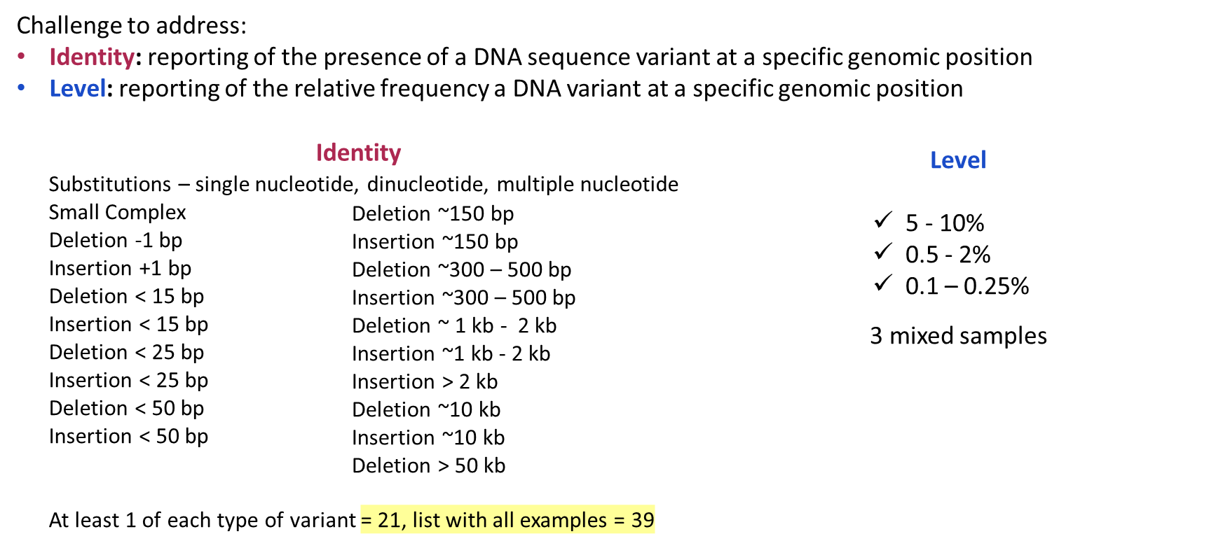
NIST Genome Editing Consoritum Mixture Study

 | General approach:
 | Provide all intersted participants with the same blinded samples along with a list of genomic positions for DNA sequence detection
 | Blinded samples will have DNA variants ranging in size and variant frequency (see challenges to address slide below)
 | Each interested particpant will design assays per their normal process, and perform measurments for the positoins provided and
 | report on any NGS sequencing detected DNA sequence variant(s) (as compared to the hg38 reference genome), including:
 | •Number of reads at that location
 | •Number of reads for each variant
 | •% of each variant amongst total reads
 | Participatns using non NGS sequencing approaches (i.e. hybridization for large variants) will be provided samples and coordinates
 | in a format relevant to those technologies

 | This spreadsheet contains:
1) | positions of interst to be meausred for the mixture study indexed from human genome assembly hg38 * (tab 1)
 | * note: positions are indexed using a 1 base counting from high confidence vcf files of whole genome sequencing
 | * note: indels are currently listed using the 5’ upstream end of the variant as the “position of interest”. EXAMPLE: a 10 bp deletion
 | on Chr 1 from position 25 – 34 will be listed as Chr 1 position of interest 25), also see AAVS1 variant tab for examples
2) | variants within +/- 2kb of the position of interest to be avoided* when designing assays (tab 1)
 | * note: based on the mixutre study these positions should be interpreted as potentially present and unclear in frequency so
 | potentiallly confounding to assay design
3) | 6 control sites with no sequence variants +/- 2kb compared to the hg38 human genome assembly (tab 2)

